Header
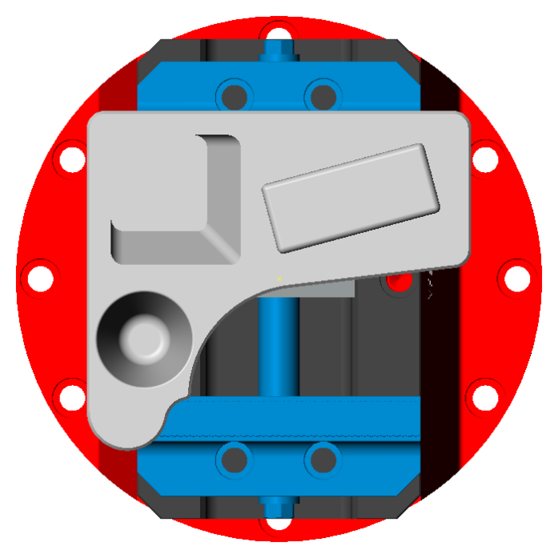
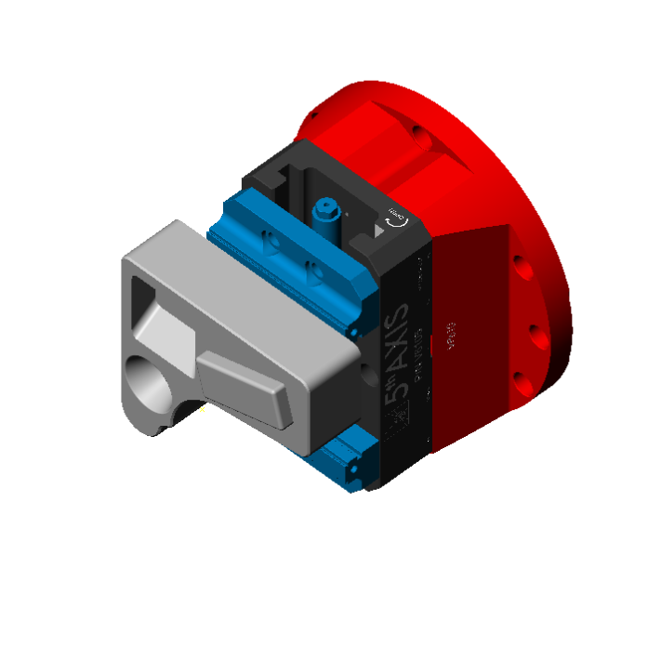
Customer Name | ParaCode
Machine Name | DMU65
Material Class | 6061 ALUMINUM
Material Condition | BILLET
Program Name | DMG DMU65
Program Number | 1
Report Author | Brandon@ParacodeSolutions.com
Report Date | 2018-10-10 20:17:00
Stock Description | PREPPED WITH 3" WIDE DOVETAIL .08 DEEP
Tool Count | 5
Unit | Inch
Workholding Description | V6105 5TH AXIS VISE MOUNTED ON BASE
Cycle Time (min) | 19.91
Workpiece Length (in) | 10.2500
Workpiece Width (in) | 7.5000
Workpiece Height (in) | 2.5000
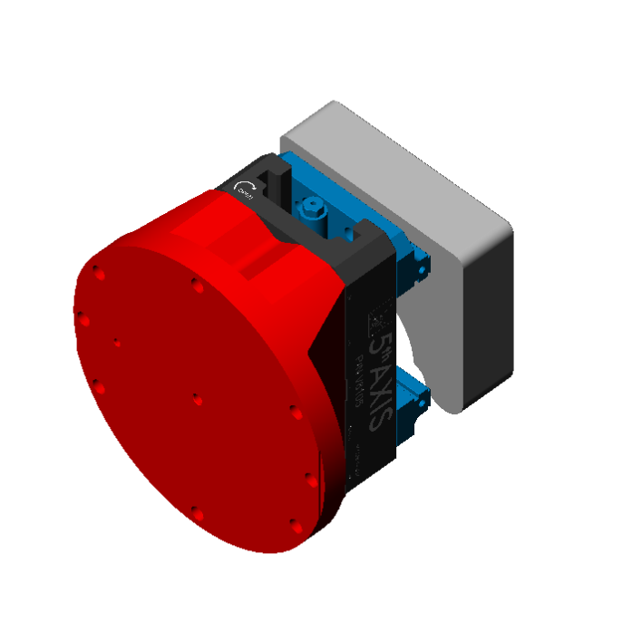
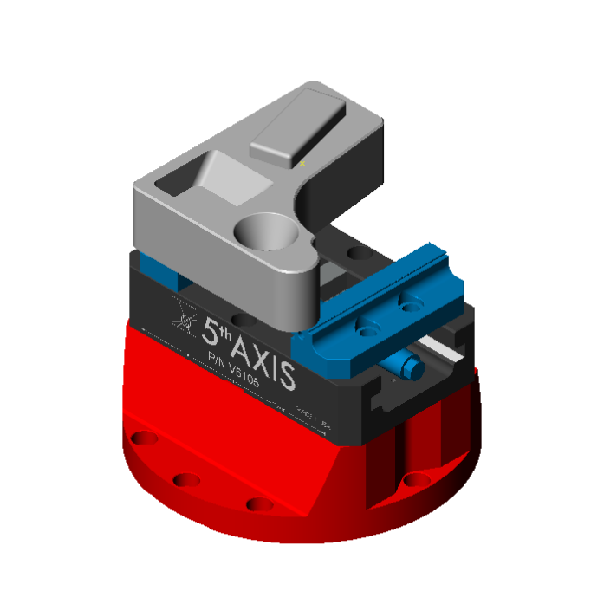

Description | MACHINE OUTSIDE PROFILE AND POCKETS TO SIZE

Tool List
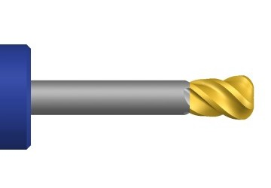
6 - 3/4 SGS ENDMILL .060R 3F AL |  |  | Turret | 1 | Station | 1 | Tool Usage (min) | 11.22
Cutter ID |  | Coolant | On |  | Tool Type |  | Bull Nose End Mill
Tool Length (in) | 2.250 | Process Order | 1 |  | Corner Radius (in) |  | 0.0600
Flutes | 3 | Tool Dia (in) | 0.750 |  | Shank Dia (in) |  | 0.750
Comment | PN 34808 FLUTE LENGTH: 1.63 OAL: 4.0 HOLDER: EMUGE HYDRAULIC CHUCK STICK OUT 2.250

5 - 1/2 SGS ENDMILL .060R 3F AL |  |  | Turret | 1 | Station | 1 | Tool Usage (min) | 2.16
Cutter ID |  | Coolant | On |  | Tool Type |  | Bull Nose End Mill
Tool Length (in) | 1.750 | Process Order | 2 |  | Corner Radius (in) |  | 0.0600
Flutes | 3 | Tool Dia (in) | 0.500 |  | Shank Dia (in) |  | 0.500
Comment | PN 34802 FLUTE LENGTH: 1.250 OAL: 3.250 HOLDER: SECO SHRINKFIT STICK OUT 1.75

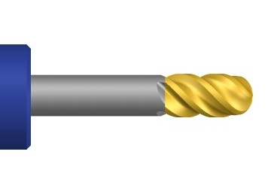
2 - 1/2 BALL MILL 3 FL |  |  | Turret | 1 | Station | 1 | Tool Usage (min) | 1.28
Cutter ID |  | Coolant | On |  | Tool Type |  | Ball Mill
Tool Length (in) | 2.000 | Process Order | 3 |  | Corner Radius (in) |  | 0.2500
Flutes | 3 | Tool Dia (in) | 0.500 |  | Shank Dia (in) |  | 0.500
Comment | PN: 85435 HOLDER: SECO SHRINK FIT 2.0 STICKOUT

4 - 3/8 ENDMILL .030R 3F AL |  |  | Turret | 1 | Station | 1 | Tool Usage (min) | 4.30
Cutter ID |  | Coolant | On |  | Tool Type |  | Bull Nose End Mill
Tool Length (in) | 1.250 | Process Order | 4 |  | Corner Radius (in) |  | 0.0300
Flutes | 3 | Tool Dia (in) | 0.375 |  | Shank Dia (in) |  | 0.375
Comment | PN 34799 FLUTE LENGTH: 1.0 OAL: 2.500 HOLDER: HAIMER SHRINKFIT STICK OUT 1.25

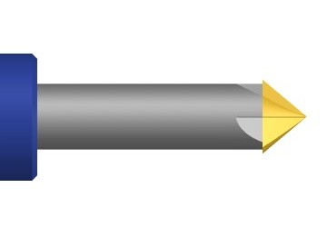
3 - 1/2 HSS CHAMFER MILL 5FL |  |  | Turret | 1 | Station | 1 | Tool Usage (min) | 0.95
Cutter ID |  | Coolant | On |  | Tool Type |  | Chamfer Mill
Tool Length (in) | 1.000 | Process Order | 5 |  | Chamfer Angle (deg) |  | 45.0000
Flutes | 5 | Tool Dia (in) | 0.250 |  | Shank Dia (in) |  | 0.375
Comment | PN:68224 HOLDER: ER32 COLLET STICKOUT: 1.0

Work Coordinates
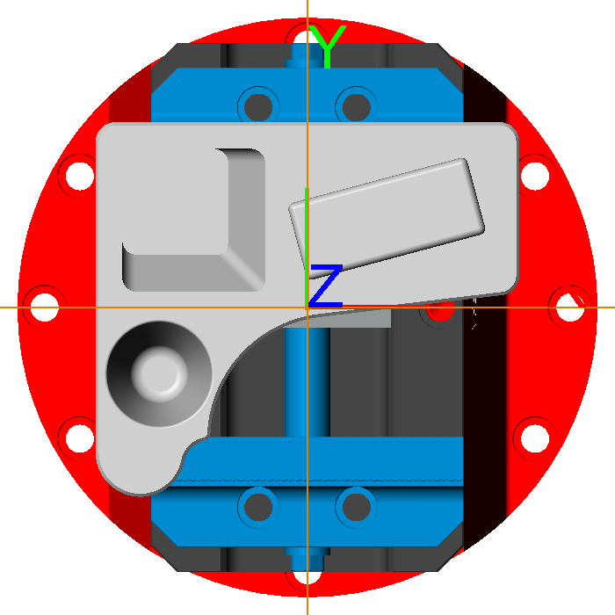
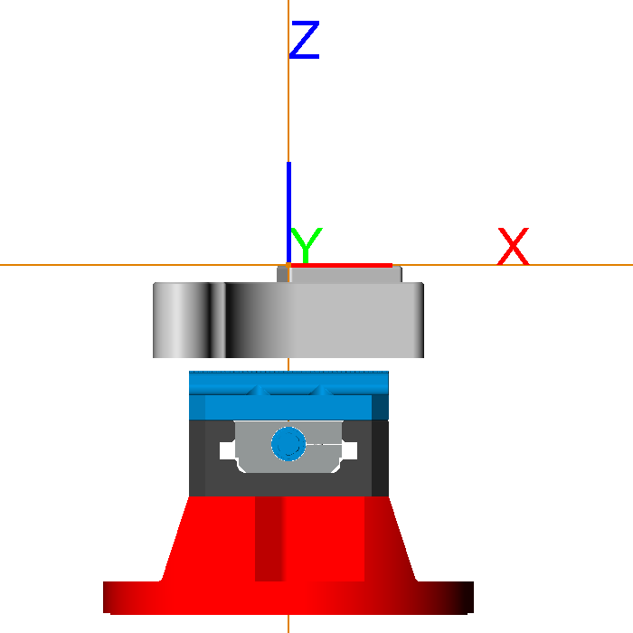
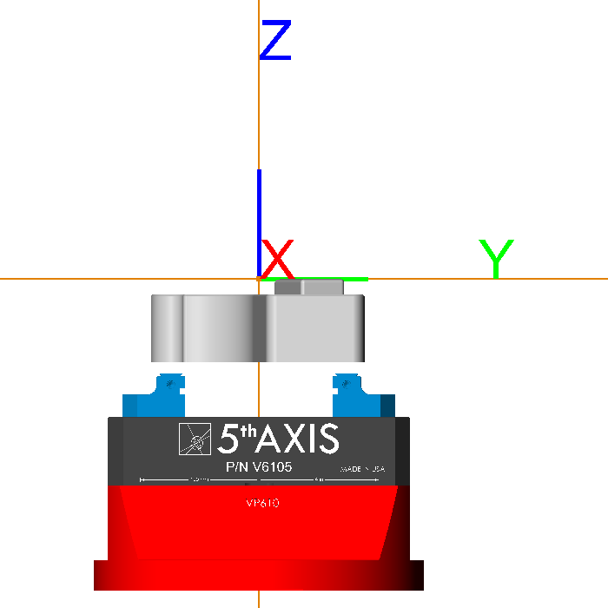
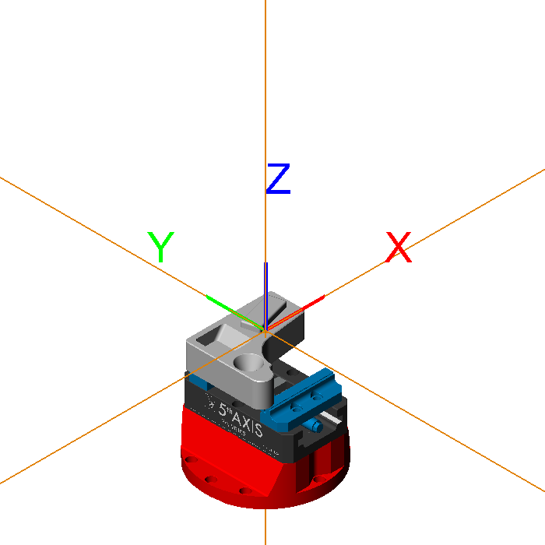
XYZ | Standard Num | 0 | Additional Num | 0 | Location | (0.00,0.00,0.00) | Rotate With Part | None
Comment

Tool Times
Tool Times
1/2 BALL MILL 3 FL | 1.28
1/2 HSS CHAMFER MILL 5FL | 0.95
3/8 ENDMILL .030R 3F AL | 4.30
1/2 SGS ENDMILL .060R 3F AL | 2.16
3/4 SGS ENDMILL .060R 3F AL | 11.22

